Disclaimer
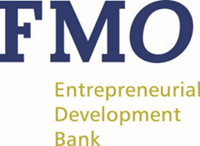

DISCLAIMER

This document contains selected Pillar 3 information in addition to the Pillar 3 information published on website of FMO Development - Nederlandse Financierings - Maatschapij voor Ontwikkelingslanden N.V. This report is presented in euros (EUR), which is FMO's presentation currency, rounded to the nearest thousand (unless otherwise stated).

The figures presented in this document have been neither audited nor reviewed by our external auditor.
The figures presented in this document are to be reconciled to Regulatory Reports FINREP and COREP
Gross and net carrying values include on balance and off balance items and represent values before credit risk mitigation

